Notes
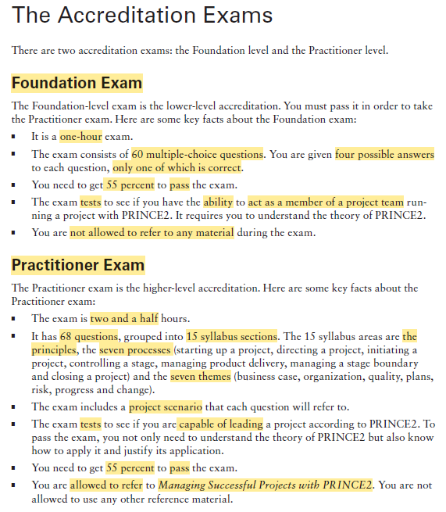
pg | Description | Link
xxxii | Interactive online learning environment and test bank needs registration | https://books.wiley.com/series/sybex-test-prep-and-certification/
xxxiii | Exam specs official page | https://www.axelos.com/certifications/propath/prince2-agile-project-management

